USER GUIDE
USER GUIDE
CAO Performance Evaluation

Under Section 205 of the Municipal Government Act (MGA), Council must by bylaw establish the position of Chief Administrative Officer (CAO). Every Council must appoint one or more persons to carry out the powers, duties and functions of the position. In doing so, Council recognizes its fundamental role of setting policy and allowing administration to implement the policy.

The performance of the CAO can have such a direct and lasting impact on the ability of Council to carry out its mandate that a functional and successful relationship should be viewed as essential. It is in everyone’s best interests that an atmosphere of trust, respect and transparency develop and characterize this relationship. A performance appraisal should be expected: - To formally discuss the relationship between the Municipality and the CAO. - To relate performance to the role, responsibilities, authority and duties as defined by the MGA, the bylaws and policies and the job description. - To set objectives and criteria for future evaluation. - To recognize strengths and weaknesses and reward or correct them. - To serve as a basis for salary adjustment.

1. | Evaluation catagories are separated by worksheets in this document. There are five categories: Management and Leadership, Relationship with Council, Relationship with Staff, Relationship with Public and Media, and Objectives and Accomplishments.
 | 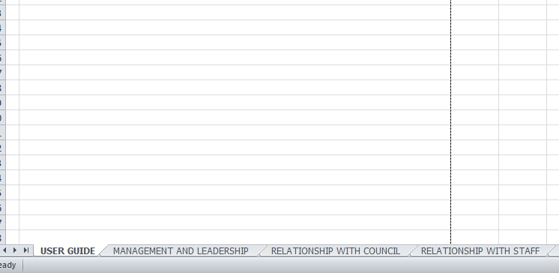

2. | Each worksheet has several features:
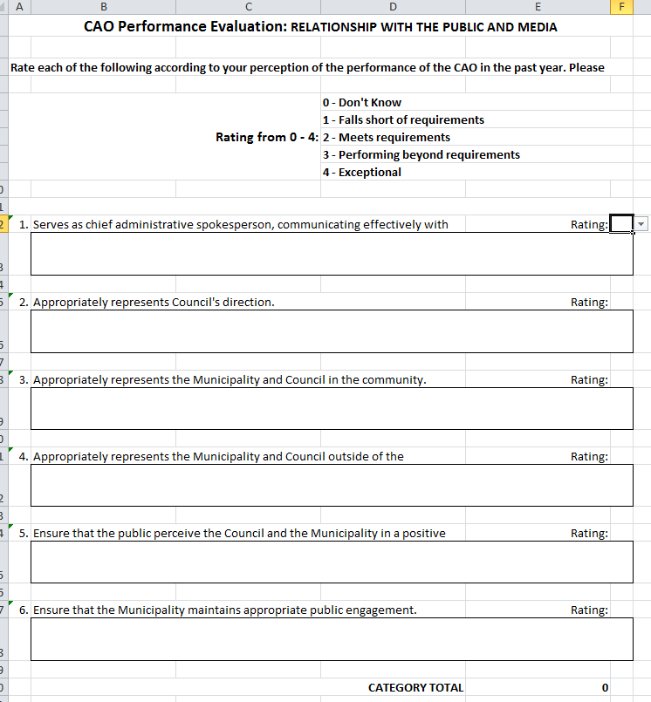

Drop-down menu with 0 - 4 rating.

Fillable boxes for comments. These boxes will expand as you type.

This total will auto-fill as the ratings are selected.

This is the rating total for the entire evaluation.
The evaluation total is found on the Objects and Accomplishments worksheet.
3. | The Evaluation has an overall total, it can be found before the objectives on the Objectives and Accomplishments worksheet.
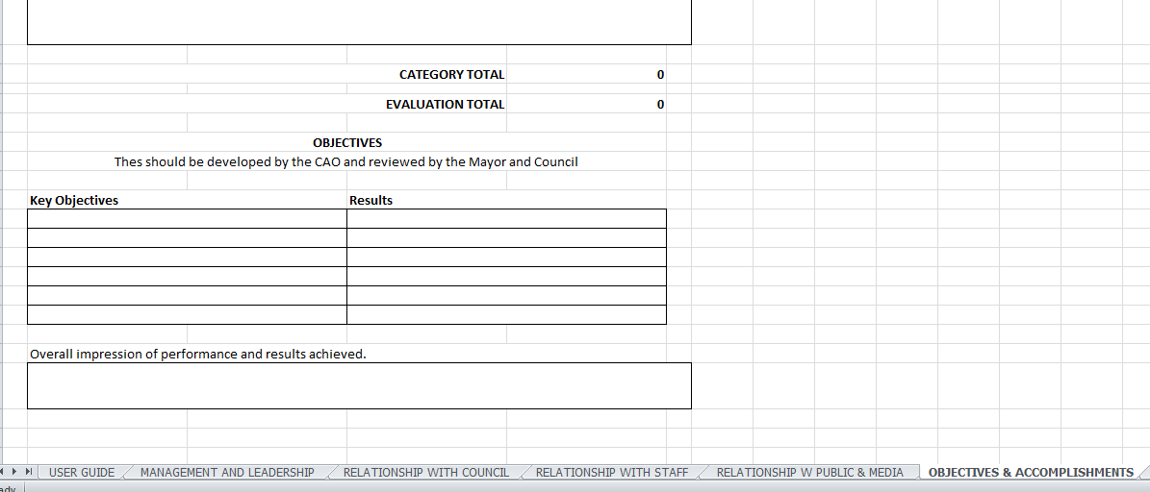

4. | The "Ratings" worksheet should not be altered, the numbers list on this worksheet are the numbers in the 'Rating' drop down menus on each of the worksheets.
 | 